hazard-category_1
Metrics
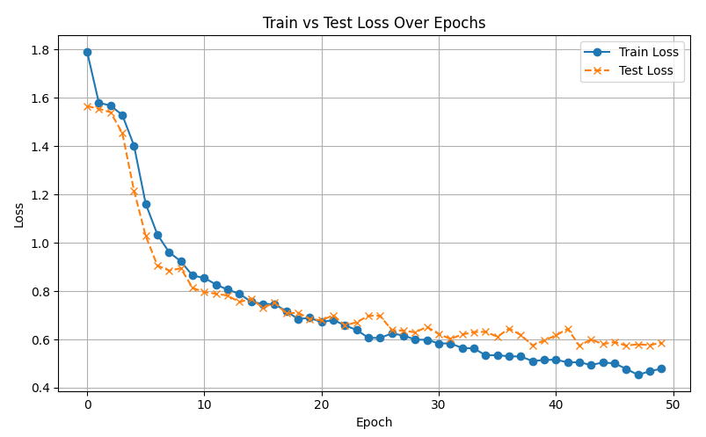
Hazard Category- 12 Classes - Train: 4067, Valid: 1017, lr=0.001
Epochs : | 50

Precision | 0.7983
Recall | 0.8358
Weighted-F1 | 0.8088
Macro-F1 | 0.3137
Accuracy | 0.8358
Total Parameters | 724492
hidden_layers | 128
Batch_Size | 64
num_layers | 2
dropout | 0.5

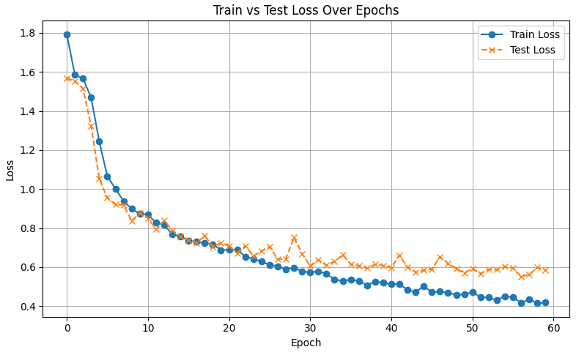
Epochs : | 60

Precision | 0.7999
Recall | 0.838
Weighted-F1 | 0.812
Macro-F1 | 0.3171
Accuracy | 0.838
Total Parameters | 724492
hidden_layers | 128
Batch_Size | 64
num_layers | 2
dropout | 0.5

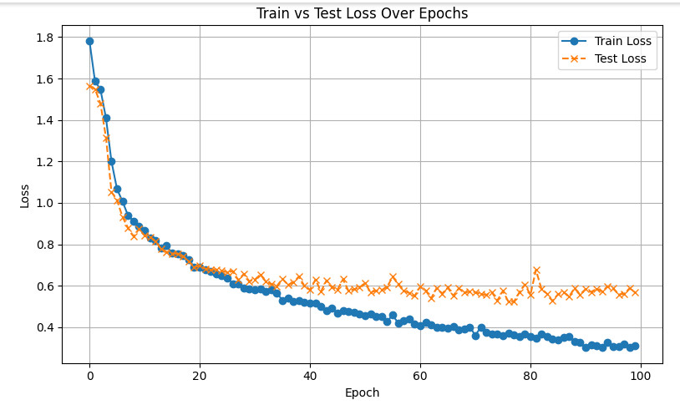
Epochs : | 100

Precision | 0.818
Recall | 0.8468
Weighted-F1 | 0.8282
Macro-F1 | 0.352
Accuracy | 0.8486
Total Parameters | 724492
hidden_layers | 128
Batch_Size | 64
num_layers | 2
dropout | 0.5

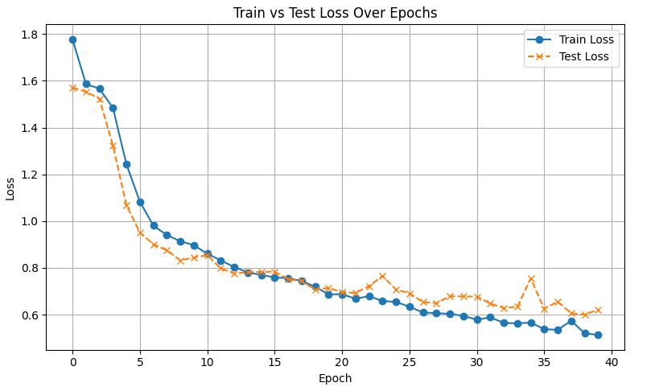
Epochs : | 40

Precision | 0.7995
Recall | 0.829
Weighted-F1 | 0.799
Macro-F1 | 0.314
Accuracy | 0.8294
Total Parameters | 724492
hidden_layers | 128
Batch_Size | 64
num_layers | 2
dropout | 0.5

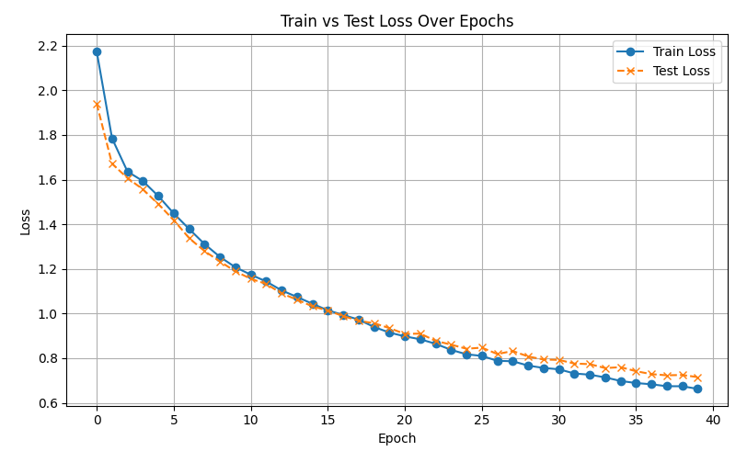
Epochs : | 40

Precision | 0.7313
Recall | 0.7866
Weighted-F1 | 0.7551
Macro-F1 | 0.2669
Accuracy | 0.786
Total Parameters | 49980
hidden_layers | 12
Batch_Size | 64
num_layers | 1
dropout | 0.1

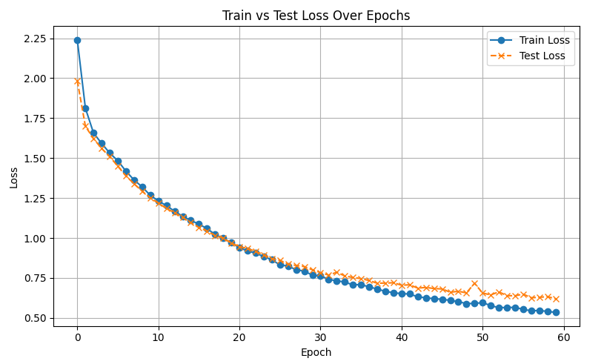
Epochs : | 60

Precision | 0.7654
Recall | 0.8151
Weighted-F1 | 0.7862
Macro-F1 | 0.2872
Accuracy | 0.8151
Total Parameters | 49980
hidden_layers | 12
Batch_Size | 64
num_layers | 1
dropout | 0.1

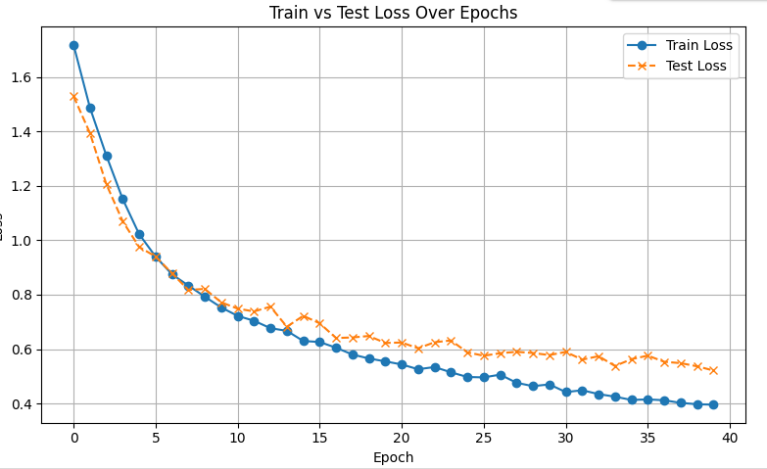
Epochs : | 40

Precision | 0.8275
Recall | 0.8437
Weighted-F1 | 0.8243
Macro-F1 | 0.3488
Accuracy | 0.8243
Total Parameters | 49980
hidden_layers | 128
Batch_Size | 64
num_layers | 1
dropout | 0.4

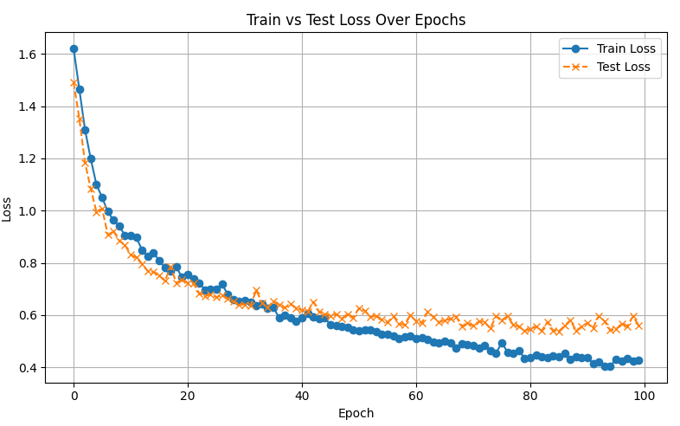
Best Model
Epochs : | 100

Precision | 0.8375
Recall | 0.8456
Weighted-F1 | 0.8252
Macro-F1 | 0.4165
Accuracy | 0.8456
Total Parameters | 8409100
hidden_layers | 1024
Batch_Size | 64
num_layers | 1
dropout | 0.8

product-category_2
Metrics
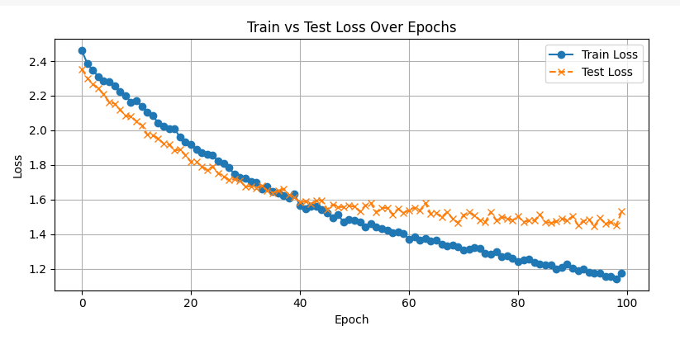
Product Category - 24 Classes - Train: 4067, Valid: 1017, lr=0.001
Epochs : | 100

Precision | 0.4137
Recall | 0.5212
Weighted-F1 | 0.4262
Macro-F1 | 0.2066
Accuracy | 0.5257
Total Parameters | 16842776
hidden_layers | 1024
Batch_Size | 64
num_layers | 1
dropout | 0.8

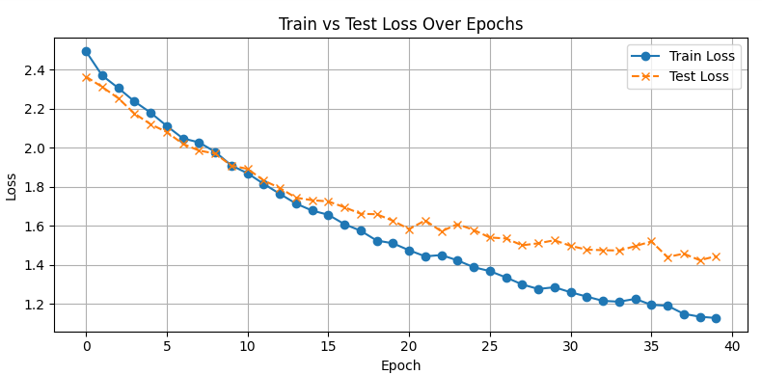
Best
Epochs : | 40

Precision | 0.4686
Recall | 0.5106
Weighted-F1 | 0.44
Macro-F1 | 0.2781
Accuracy | 0.5506
Total Parameters | 1187864
hidden_layers | 128
Batch_Size | 64
num_layers | 1
dropout | 0.4

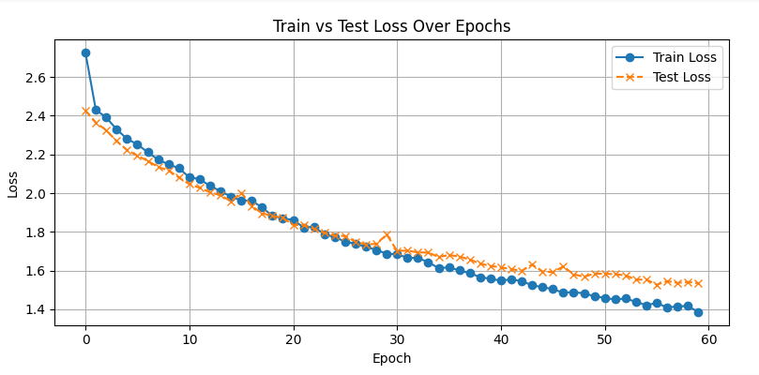
Epochs : | 60

Precision | 0.3751
Recall | 0.4974
Weighted-F1 | 0.4025
Macro-F1 | 0.1981
Accuracy | 0.5093
Total Parameters | 237464
hidden_layers | 28
Batch_Size | 64
num_layers | 1
dropout | 0.4

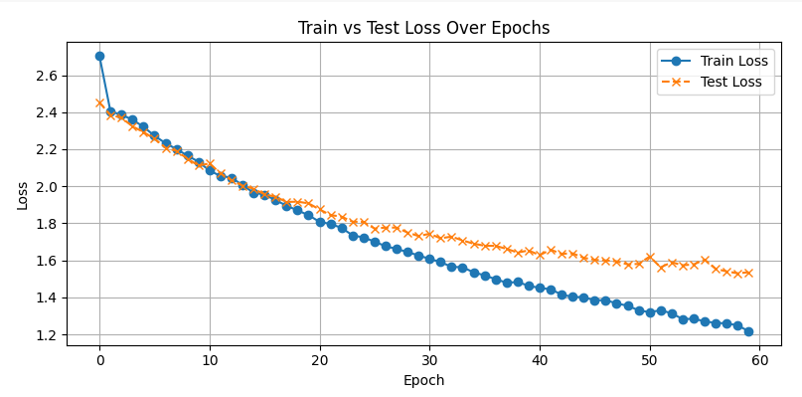
Epochs : | 60

Precision | 0.4731
Recall | 0.4365
Weighted-F1 | 0.4233
Macro-F1 | 0.1918
Accuracy | 0.5359
Total Parameters | 100248
hidden_layers | 12
Batch_Size | 32
num_layers | 1
dropout | 0.01

product_3
Metrics
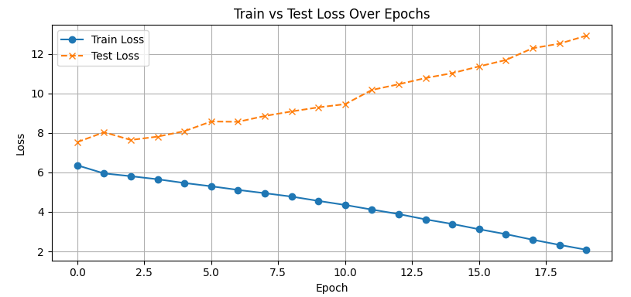
Product - 1024 Classes - Train: 4067, Valid: 1017, lr=0.001
Epochs : | 20

Precision | 0.0238
Recall | 0.0357
Weighted-F1 | 0.0286
Macro-F1 | 0.0366
Accuracy | 0.0029
Total Parameters | 13648896
hidden_layers | 512
Batch_Size | 16
num_layers | 2
dropout | 0.1

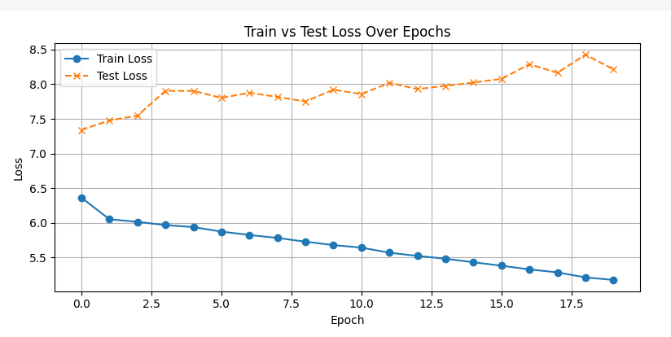
Epochs : | 20

Precision | 0.0346
Recall | 0.0289
Weighted-F1 | 0.0614
Macro-F1 | 0.0081
Accuracy | 0.006
Total Parameters | 1444864
hidden_layers | 128
Batch_Size | 16
num_layers | 1
dropout | 0.6

hazard_4
Metrics
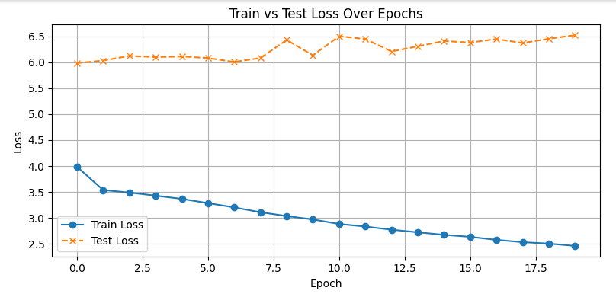
Hazard - 130 Classes - Train: 4067, Valid: 1017, lr=0.001
Epochs : | 20

Precision | 0.0071
Recall | 0.005
Weighted-F1 | 0.0092
Macro-F1 | 0.0032
Accuracy | 0.0078
Total Parameters | 207900
hidden_layers | 24
Batch_Size | 32
num_layers | 1
dropout | 0.1

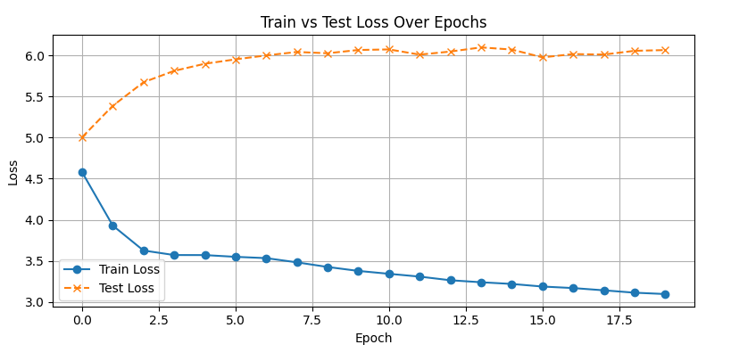
Epochs : | 20

Precision | 0.0052
Recall | 0.0092
Weighted-F1 | 0.0094
Macro-F1 | 0.0021
Accuracy | 0.006
Total Parameters | 51226
hidden_layers | 6
Batch_Size | 32
num_layers | 1
dropout | 0.1

